VGA
Модель | 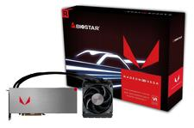 VAVAX5VM88 Liquid
Версия
Графический процессор | Radeon RX Vega64
CUDA Cores / Stream Processors | 4096
Memory Clock | 1.9 Gbps
Engine Clock (Base/Game/Boost) | 1406/1677 MHz
Memory Type | HBM2
Memory Size | 8 GB
Memory Bus | 2048-bit
Interface | Support PCI-E 3.0
Output | Display Port 1.4a HDMI® 2.1
Accessories | 1 x Quick Guide
PRODUCT CERTIFICATION | Solid Capacitor ATI Eyefinity
PRODUCT FEATURES | HDCP HDMI® Display port PCI-E 3.0
MAX RESOLUTION | Digital: 7680 X 4320 @60Hz VGA: 2048 X 1536

